Insert Arrangements
Cavity Type |  |  | RF | RF | RF | PWR | RF | RF | PWR | PWR | PWR | PWR | PWR | PWR | Combi Cavity Type | Combi Cavity Size | Cavity Grounding | Cavity QTY | Insert Wiring Face QTY | Insert Wiring Face View | Cavity Arrangement
Typical Wire Barrel Range (up to awg 26) |  |  | Quadrax | Triax | Coax | 8 | Triax | Coax | 12, 14 | 10 | 16, 18, 20 | 20, 22, 24 | 22, 24, 26 | 24, 26
Cavity Size
Insert Arrangement STD | Insert Size | Arr Code | QX8 | TX8 | CX8 | 8 | TX12 | CX12 | 12 | 10 | 16 | 20 | 22 | 24 | Combi Cavity Type | Combi Cavity Size
MIL-STD-1560 | 9 | 3 |  |  |  |  |  |  |  |  |  | 3 |  |  |  |  |  | 3 | 1 |  | 3#20
MIL-STD-1560 | 9 | 98 |  |  |  |  |  |  |  |  |  | 3 |  |  |  |  |  | 3 | 1 |  | 3#20
MIL-STD-1560 | 9 | 44 |  |  |  |  |  |  |  |  |  |  | 4 |  |  |  |  | 4 | 1 |  | 4#22
MIL-STD-1560 | 9 | 23 |  |  |  |  |  |  |  |  |  |  | 9 |  |  |  |  | 9 | 1 |  | 9#23-22
MIL-STD-1560 | 9 | 6 |  |  |  |  |  |  |  |  |  |  |  | 6 |  |  |  | 6 | 1 |  | 6#22M
MIL-STD-1560 | 9 | 35 |  |  |  |  |  |  |  |  |  |  | 6 |  |  |  |  | 6 | 1 |  | 6#22D
MIL-STD-1560 | 9 | 7 |  |  |  |  |  |  |  |  |  |  | 7 |  |  |  |  | 7 | 1 |  | 7#22D
MIL-STD-1560 | 11 | 4 |  |  |  |  |  |  |  |  |  | 4 |  |  |  |  |  | 4 | 1 |  | 4#20
MIL-STD-1560 | 11 | 5 |  |  |  |  |  |  |  |  |  | 5 |  |  |  |  |  | 5 | 1 |  | 5#20
MIL-STD-1560 | 11 | 98 |  |  |  |  |  |  |  |  |  | 6 |  |  |  |  |  | 6 | 1 |  | 6#20
MIL-STD-1560 | 11 | 99 |  |  |  |  |  |  |  |  |  | 7 |  |  |  |  |  | 7 | 1 |  | 7#20
MIL-STD-1560 | 11 | 13 |  |  |  |  |  |  |  |  |  |  |  | 13 |  |  |  | 13 | 1 |  | 13#22M
MIL-STD-1560 | 11 | 23 |  |  |  |  |  |  |  |  |  |  | 19 |  |  |  |  | 19 | 1 |  | 19#23-22
MIL-STD-1560 | 11 | 35 |  |  |  |  |  |  |  |  |  |  | 13 |  |  |  |  | 13 | 1 |  | 13#22D
MIL-STD-1560 | 11 | 2 |  |  |  |  |  |  |  |  | 2 |  |  |  |  |  |  | 2 | 1 |  | 2#16
MIL-STD-1560 | 13 | 4 |  |  |  |  |  |  |  |  | 4 |  |  |  |  |  |  | 4 | 1 | 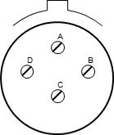 | 4#16
MIL-STD-1560 | 13 | 8 |  |  |  |  |  |  |  |  |  | 8 |  |  |  |  |  | 8 | 1 | 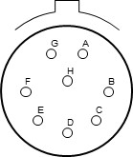 | 8#20
MIL-STD-1560 | 13 | 98 |  |  |  |  |  |  |  |  |  | 10 |  |  |  |  |  | 10 | 1 | 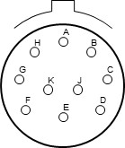 | 10#20
MIL-STD-1560 | 13 | 22 |  |  |  |  |  |  |  |  |  |  |  | 22 |  |  |  | 22 | 1 | 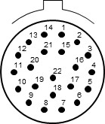 | 22#22M
MIL-STD-1560 | 13 | 23 |  |  |  |  |  |  |  |  |  |  | 32 |  |  |  |  | 32 | 1 | 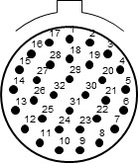 | 32#23-22
MIL-STD-1560 | 13 | 35 |  |  |  |  |  |  |  |  |  |  | 22 |  |  |  |  | 22 | 1 |  | 22#22D
MIL-STD-1560 | 15 | 5 |  |  |  |  |  |  |  |  | 5 |  |  |  |  |  |  | 5 | 1 | 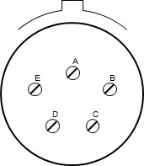 | 5#16
MIL-STD-1560 | 15 | 15 |  |  |  |  |  |  |  |  | 1 | 14 |  |  |  | X |  | 15 | 1 | 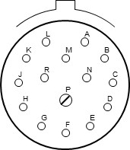 | 1#16,14#20
MIL-STD-1560 | 15 | 18 |  |  |  |  |  |  |  |  |  | 18 |  |  |  |  |  | 18 | 1 | 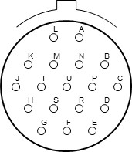 | 18#20
MIL-STD-1560 | 15 | 19 |  |  |  |  |  |  |  |  |  | 19 |  |  |  |  |  | 19 | 1 | 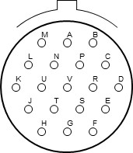 | 19#20
MIL-STD-1560 | 15 | 21 |  |  |  |  |  | 1 |  |  |  | 3 | 17 |  | X | X |  | 21 | 1 | 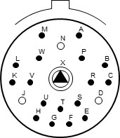 | 1#CX12,3#20,17#22D
MIL-STD-1560 | 15 | 23 |  |  |  |  |  |  |  |  |  |  | 55 |  |  |  |  | 55 | 1 | 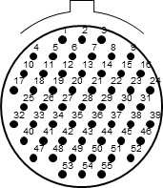 | 55#23-22
MIL-STD-1560 | 15 | 37 |  |  |  |  |  |  |  |  |  |  |  | 37 |  |  |  | 37 | 1 | 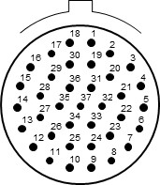 | 37#22M
MIL-STD-1560 | 15 | 97 |  |  |  |  |  |  |  |  | 4 | 8 |  |  |  | X |  | 12 | 1 | 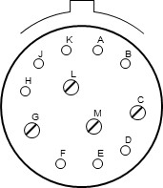 | 4#16,8#20
MIL-STD-1560 | 15 | 35 |  |  |  |  |  |  |  |  |  |  | 37 |  |  |  |  | 37 | 1 |  | 37#22D
MIL-STD-1560 | 17 | 6 |  |  |  |  |  |  | 6 |  |  |  |  |  |  |  |  | 6 | 1 | 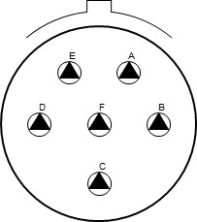 | 6#12
MIL-STD-1560 | 17 | 8 |  |  |  |  |  |  |  |  | 8 |  |  |  |  |  |  | 8 | 1 | 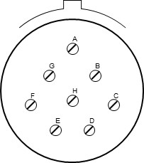 | 8#16
MIL-STD-1560 | 17 | 11 |  |  |  |  | 2 | 1 |  |  |  | 8 |  |  | X | X |  | 11 | 1 | 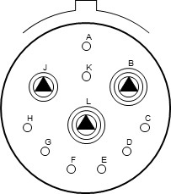 | 2#TX12,1#CX12,8#20
MIL-STD-1560 | 17 | 23 |  |  |  |  |  |  |  |  |  |  | 73 |  |  |  |  | 73 | 1 | 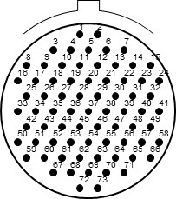 | 73#23-22
MIL-STD-1560 | 17 | 99 |  |  |  |  |  |  |  |  | 2 | 21 |  |  |  | X |  | 23 | 1 | 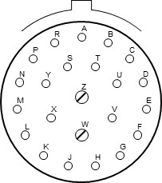 | 2#16,21#20
MIL-STD-1560 | 17 | 26 |  |  |  |  |  |  |  |  |  | 26 |  |  |  |  |  | 26 | 1 | 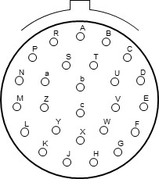 | 26#20
MIL-STD-1560 | 17 | 2 |  | 1 |  |  |  |  |  |  |  |  | 38 |  | X | X |  | 39 | 1 | 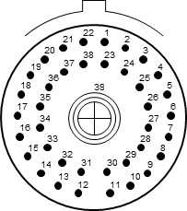 | 1#TX8,38#22D
MIL-STD-1560 | 17 | 3 |  | 1 |  |  |  |  |  |  |  |  | 38 |  | X | X |  | 39 | 1 |  | 1#TX8,38#22D
MIL-STD-1560 | 17 | 35 |  |  |  |  |  |  |  |  |  |  | 55 |  |  |  |  | 55 | 1 | 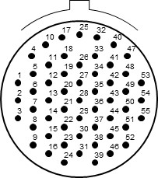 | 55#22D
MIL-STD-1560 | 17 | 55 |  |  |  |  |  |  |  |  |  |  |  | 55 |  |  |  | 55 | 1 |  | 55#22M
MIL-STD-1560 | 19 | 11 |  |  |  |  |  |  |  |  | 11 |  |  |  |  |  |  | 11 | 1 | 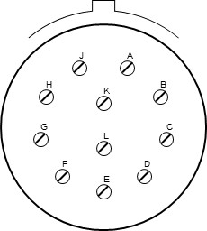 | 11#16
MIL-STD-1560 | 19 | 28 |  |  |  |  |  |  |  |  | 2 | 26 |  |  |  | X |  | 28 | 1 | 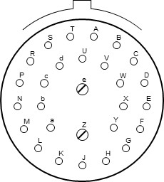 | 2#16,26#20
MIL-STD-1560 | 19 | 30 |  |  |  |  |  |  |  |  | 1 | 29 |  |  |  | X |  | 30 | 1 | 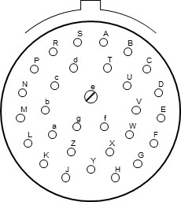 | 1#16,29#20
MIL-STD-1560 | 19 | 32 |  |  |  |  |  |  |  |  |  | 32 |  |  |  |  |  | 32 | 1 | 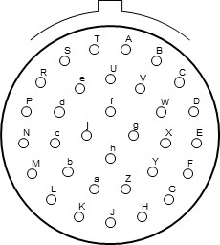 | 32#20
MIL-STD-1560 | 19 | 67 |  |  |  |  |  |  |  |  |  |  |  | 67 |  |  |  | 67 | 1 | 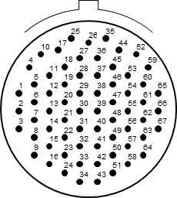 | 67#22M
MIL-STD-1560 | 19 | 35 |  |  |  |  |  |  |  |  |  |  | 66 |  |  |  |  | 66 | 1 | 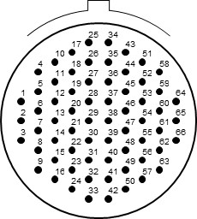 | 66#22D
MIL-STD-1560 | 19 | 66 |  |  |  |  |  |  |  |  |  |  |  | 66 |  |  |  | 66 | 1 |  | 66#22M
MIL-STD-1560 | 19 | 45 |  |  |  |  |  |  |  |  |  |  | 67 |  |  |  |  | 67 | 1 |  | 67#22D
MIL-STD-1560 | 19 | 18 |  | 4 |  |  |  |  |  |  |  |  | 14 |  | X | X |  | 18 | 1 | 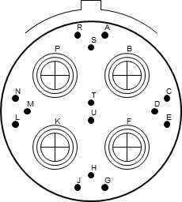 | 4#TX8,14#22D
MIL-STD-1560 | 19 | 19 |  | 4 |  |  |  |  |  |  |  |  | 14 |  | X | X |  | 18 | 1 |  | 4#TX8,14#22D
MIL-STD-1560 | 19 | 23 |  |  |  |  |  |  |  |  |  |  | 88 |  |  |  |  | 88 | 1 | 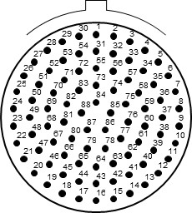 | 88#23-22
MIL-STD-1560 | 21 | 11 |  |  |  |  |  |  | 11 |  |  |  |  |  |  |  |  | 11 | 1 | 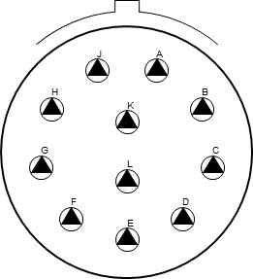 | 11#12
MIL-STD-1560 | 21 | 16 |  |  |  |  |  |  |  |  | 16 |  |  |  |  |  |  | 16 | 1 | 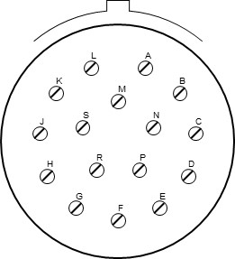 | 16#16
MIL-STD-1560 | 21 | 23 |  |  |  |  |  |  |  |  |  |  | 121 |  |  |  |  | 121 | 1 | 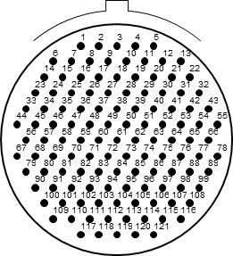 | 121#23-22
MIL-STD-1560 | 21 | 24 |  |  |  |  |  |  |  |  |  | 24 |  |  |  |  |  | 24 | 1 | 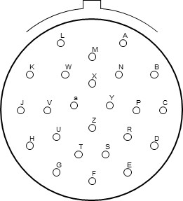 | 24#20
MIL-STD-1560 | 21 | 25 |  |  |  |  |  |  |  |  |  | 25 |  |  |  |  |  | 25 | 1 | 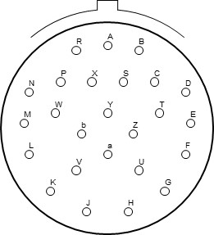 | 25#20
MIL-STD-1560 | 21 | 27 |  |  |  |  |  |  |  |  |  | 27 |  |  |  |  |  | 27 | 1 | 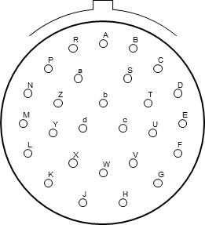 | 27#20
MIL-STD-1560 | 21 | 29 |  |  |  |  |  |  | 4 |  | 4 | 19 |  |  |  | X |  | 27 | 1 | 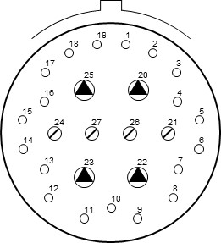 | 4#12,4#16,19#20
MIL-STD-1560 | 21 | 41 |  |  |  |  |  |  |  |  |  | 41 |  |  |  |  |  | 41 | 1 | 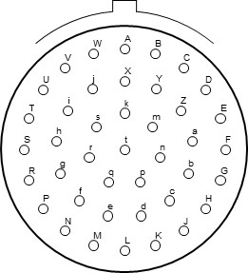 | 41#20
MIL-STD-1560 | 21 | 39 |  |  |  |  |  |  |  |  | 2 | 37 |  |  |  | X |  | 39 | 1 | 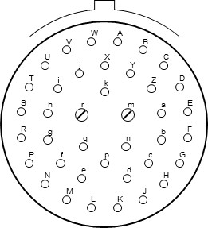 | 2#16,37#20
MIL-STD-1560 | 21 | 1 |  |  |  |  |  |  |  |  |  |  |  | 79 |  |  |  | 79 | 1 | 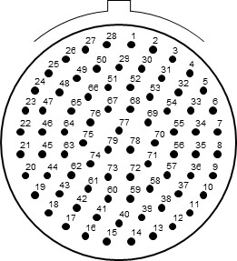 | 79#22M
MIL-STD-1560 | 21 | 35 |  |  |  |  |  |  |  |  |  |  | 79 |  |  |  |  | 79 | 1 |  | 79#22D
MIL-STD-1560 | 21 | 75 |  | 4 |  |  |  |  |  |  |  |  |  |  |  |  |  | 4 | 1 | 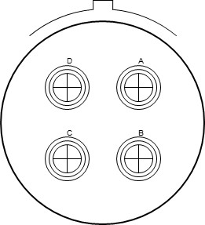 | 4#TX8
MIL-STD-1560 | 21 | 76 |  | 4 |  |  |  |  |  |  |  |  |  |  |  |  |  | 4 | 1 |  | 4#TX8
MIL-STD-1560 | 23 | 1 |  |  |  |  |  |  |  |  |  |  |  | 100 |  |  |  | 100 | 1 | 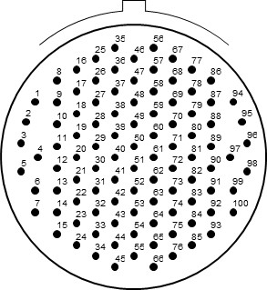 | 100#22M
MIL-STD-1560 | 23 | 23 |  |  |  |  |  |  |  |  |  |  | 151 |  |  |  |  | 151 | 1 | 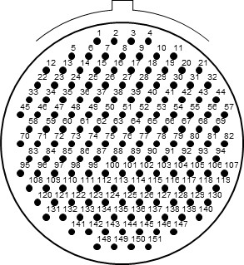 | 151#23-22
MIL-STD-1560 | 23 | 35 |  |  |  |  |  |  |  |  |  |  | 100 |  |  |  |  | 100 | 1 |  | 100#22D
MIL-STD-1560 | 23 | 2 |  |  |  |  |  |  |  |  |  |  | 85 |  |  |  |  | 85 | 1 | 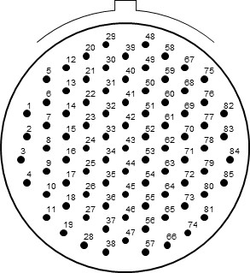 | 85#22
MIL-STD-1560 | 23 | 21 |  |  |  |  |  |  |  |  | 21 |  |  |  |  |  |  | 21 | 1 | 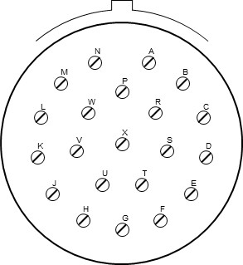 | 21#16
MIL-STD-1560 | 23 | 32 |  |  |  |  |  |  |  |  |  | 32 |  |  |  |  |  | 32 | 1 | 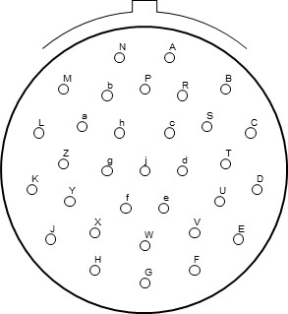 | 32#20
MIL-STD-1560 | 23 | 34 |  |  |  |  |  |  |  |  |  | 34 |  |  |  |  |  | 34 | 1 | 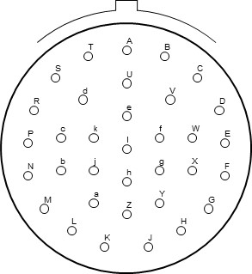 | 34#20
MIL-STD-1560 | 23 | 36 |  |  |  |  |  |  |  |  |  | 36 |  |  |  |  |  | 36 | 1 | 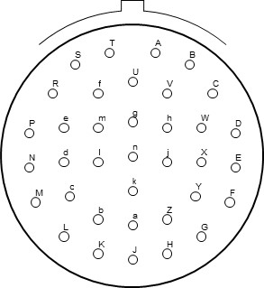 | 36#20
MIL-STD-1560 | 23 | 53 |  |  |  |  |  |  |  |  |  | 53 |  |  |  |  |  | 53 | 1 | 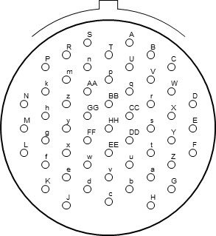 | 53#20
MIL-STD-1560 | 23 | 97 |  |  |  |  |  |  |  |  | 16 |  |  |  |  |  |  | 16 | 1 | 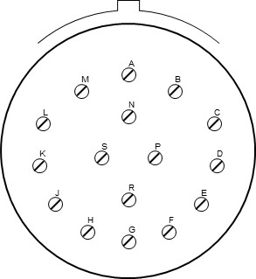 | 16#16
MIL-STD-1560 | 23 | 99 |  |  |  |  |  |  |  |  | 11 |  |  |  |  |  |  | 11 | 1 | 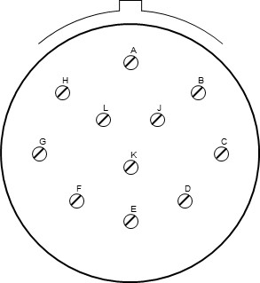 | 11#16
MIL-STD-1560 | 23 | 55 |  |  |  |  |  |  |  |  |  | 55 |  |  |  |  |  | 55 | 1 |  | 55#20
MIL-STD-1560 | 25 | 1 |  |  |  |  |  |  |  |  |  |  |  | 128 |  |  |  | 128 | 1 |  | 128#22M
MIL-STD-1560 | 25 | 35 |  |  |  |  |  |  |  |  |  |  | 128 |  |  |  |  | 128 | 1 |  | 128#22D
MIL-STD-1560 | 25 | 2 |  |  |  |  |  |  |  |  |  |  | 100 |  |  |  |  | 100 | 1 |  | 100#22
MIL-STD-1560 | 25 | 29 |  |  |  |  |  |  |  |  | 29 |  |  |  |  |  |  | 29 | 1 |  | 29#16
MIL-STD-1560 | 25 | 61 |  |  |  |  |  |  |  |  |  | 61 |  |  |  |  |  | 61 | 1 |  | 61#20
MIL-STD-1560 | 25 | 4 |  |  |  |  |  |  |  |  | 8 | 48 |  |  |  | X |  | 56 | 1 |  | 8#16,48#20
MIL-STD-1560 | 25 | 43 |  |  |  |  |  |  |  |  | 20 | 23 |  |  |  | X |  | 43 | 1 |  | 20#16,23#20
MIL-STD-1560 | 25 | 46 |  |  | 2 |  |  |  |  |  | 4 | 40 |  |  | X | X |  | 46 | 1 |  | 2#CX8,4#16,40#20
MIL-STD-1560 | 25 | 47 |  |  | 2 |  |  |  |  |  | 4 | 40 |  |  | X | X |  | 46 | 1 |  | 2#CX8,4#16,40#20
MIL-STD-1560 | 25 | 19 |  |  |  |  |  |  | 19 |  |  |  |  |  |  |  |  | 19 | 1 |  | 19#12
MIL-STD-1560 | 25 | 23 |  |  |  |  |  |  |  |  |  |  | 187 |  |  |  |  | 187 | 1 |  | 187#23-22
MIL-STD-1560 | 25 | 24 |  |  |  |  |  |  | 12 |  | 12 |  |  |  |  | X |  | 24 | 1 |  | 12#12,12#16
MIL-STD-1560 | 25 | 11 |  |  |  |  |  |  |  | 9 |  | 2 |  |  |  | X |  | 11 | 1 |  | 9#10,2#20
MIL-STD-1560 | 25 | 20 |  | 3 |  |  |  | 4 |  |  | 13 | 10 |  |  | X | X |  | 30 | 1 |  | 3#TX8,4#CX12,13#16,10#20
MIL-STD-1560 | 25 | 21 |  | 3 |  |  |  | 4 |  |  | 13 | 10 |  |  | X | X |  | 30 | 1 |  | 3#TX8,4#CX12,13#16,10#20
MIL-STD-1560 | 25 | 7 |  | 2 |  |  |  |  |  |  |  |  | 97 |  | X | X |  | 99 | 1 |  | 2#TX8,97#22D
MIL-STD-1560 | 25 | 8 |  | 8 |  |  |  |  |  |  |  |  |  |  |  |  |  | 8 | 1 |  | 8#TX8
MIL-STD-1560 | 25 | 9 |  | 2 |  |  |  |  |  |  |  |  | 97 |  | X | X |  | 99 | 1 |  | 2#TX8,97#22D
MIL-STD-1560 | 25 | 10 |  | 8 |  |  |  |  |  |  |  |  |  |  |  |  |  | 8 | 1 |  | 8#TX8
MIL-STD-1560 | 25 | 90 |  | 2 |  |  |  |  |  |  | 4 | 40 |  |  | X | X |  | 46 | 1 |  | 2#TX8,4#16,40#20
MIL-STD-1560 | 25 | 91 |  | 2 |  |  |  |  |  |  | 4 | 40 |  |  | X | X |  | 46 | 1 |  | 2#TX8,4#16,40#20
MIL-STD-1560 | 25 | 37 |  |  |  |  |  |  |  |  | 37 |  |  |  |  |  |  | 37 | 1 |  | 37#16
EN4165-001 | EN4165 | 20-22 |  |  |  |  |  |  |  |  |  |  | 20 |  |  |  |  | 20 | 1 |  | 20#22
EN4165-001 | EN4165 | 12-20 |  |  |  |  |  |  |  |  |  | 12 |  |  |  |  |  | 12 | 1 |  | 12#20
EN4165-001 | EN4165 | 08-16 |  |  |  |  |  |  |  |  | 8 |  |  |  |  |  |  | 8 | 1 |  | 8#16
EN4165-001 | EN4165 | 08G16 |  |  |  |  |  |  |  |  | 8 |  |  |  |  |  | X | 8 | 1 |  | 8#16
EN4165-001 | EN4165 | 04-12 |  |  |  |  |  |  | 4 |  |  |  |  |  |  |  |  | 4 | 1 |  | 4#12
EN4165-001 | EN4165 | 04G12 |  |  |  |  |  |  | 4 |  |  |  |  |  |  |  | X | 4 | 1 |  | 4#12
EN4165-001 | EN4165 | 01-08 |  |  |  | 1 |  |  |  |  |  |  |  |  |  |  |  | 1 | 1 |  | 1#8
EN4165-001 | EN4165 | 01G08 |  |  |  | 1 |  |  |  |  |  |  |  |  |  |  | X | 1 | 1 |  | 1#8
EN4165-001 | EN4165 | 01-18 | 1 |  |  |  |  |  |  |  |  |  |  |  |  |  |  | 1 | 1 |  | 1#QX8
EN4165-001 | EN4165 | 01G18 | 1 |  |  |  |  |  |  |  |  |  |  |  |  |  | X | 1 | 1 |  | 1#QX8
EN4165-001 | EN4165 | 01-28 | 1 |  |  |  |  |  |  |  |  |  |  |  |  |  |  | 1 | 1 |  | 1#QX8
EN4165-001 | EN4165 | 01G28 | 1 |  |  |  |  |  |  |  |  |  |  |  |  |  | X | 1 | 1 |  | 1#QX8
EN4165-001 | EN4165 | 99-01 |  |  |  |  |  |  |  |  | 6 |  | 5 |  |  | X |  | 11 | 1 |  | 6#16,5#22

